Fedex Shipping instruction
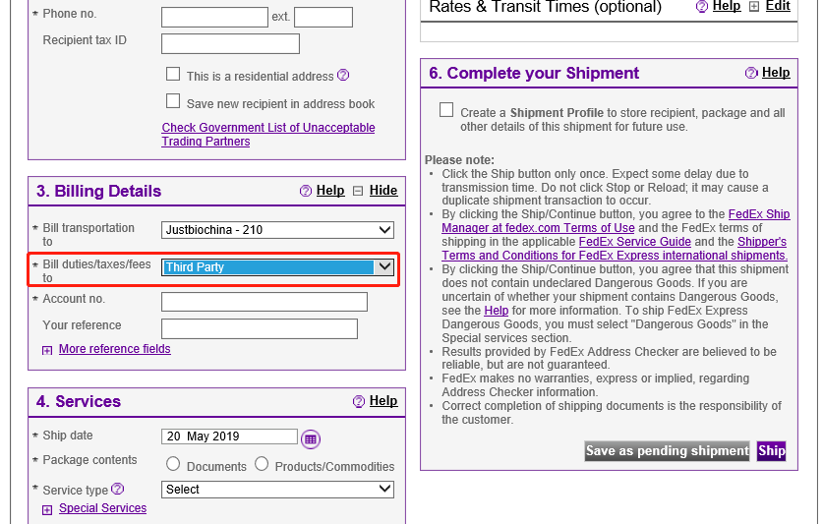
1 | Choose

